Main
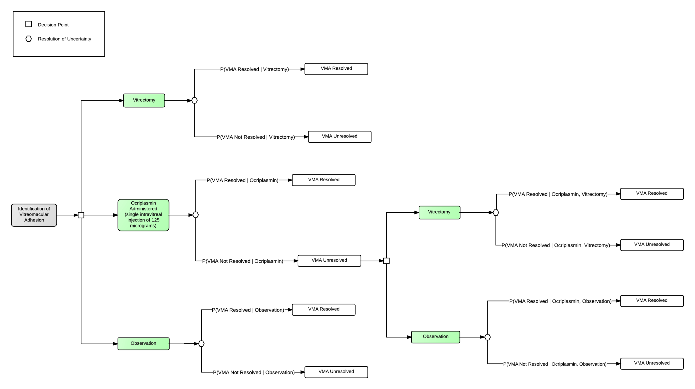
C_{VI}
C_{OC}
C_{OB}
C_{VI}
C_{OB}
R_{Resolved}
R_{Not}
R_{Resolved}
R_{Resolved}
R_{Resolved}
R_{Resolved}
R_{Not}
R_{Not}
R_{Not}
Parameters
P(VMA Resolved | Vitrectomy): | 0.900
P(VMA Not Resolved | Vitrectomy): | 0.100
P(VMA Resolved | Ocriplasmin): | 0.265
P(VMA Not Resolved | Ocriplasmin): | 0.735
A
P(VMA Resolved | Observation): | 0.101
P(VMA Not Resolved | Observation): | 0.899
P(VMA Resolved | Ocriplasmin, Vitrectomy): | 0.900
P(VMA Not Resolved | Ocriplasmin, Vitrectomy): | 0.100
P(VMA Resolved | Ocriplasmin, Observation): | 0.101
P(VMA Not Resolved | Ocriplasmin, Observation): | 0.899
Cost of Vitrectomy, CVI: | 0.333
Cost of Ocriplasmin, COC: | 1.000
B
D
Cost of Observation, COB: | 0.100
Unconditioned Value of Positive Outcome, RResolved: | 1.000
Unconditioned Value of Negative Outcome, RNot: | 0.000

Assumptions
Temporal aspects are not considered
Ocriplasmin is administered no more than once
Ocriplasmin is never administered after a vitrectomy is performed
C
E
"Vitrectomy" and "Observation" are both independent of "Ocriplasmin"

Vitrectomy Score: | 0.567
Ocriplasmin Score: | 0.349
Observation Score: | 0.001

